Summary - Visualization
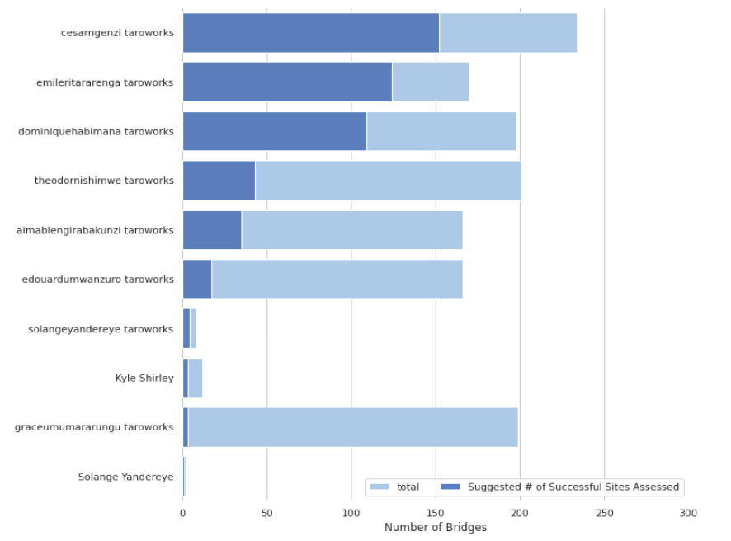
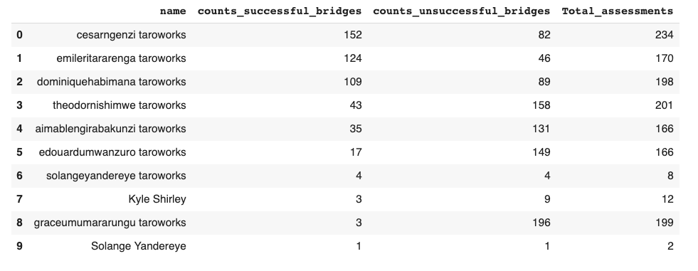
This graph is a representation of prediction statuses per project. 507 bridges to be approved, which is 36.7% of the 1383 projects. The majority of the projects are predicted to be rejected, all of which total out to be 876 (63.3% of the 1383 projects).

